n day count
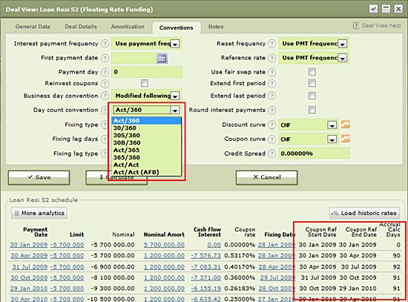
is number of calendar days between and .
Act/365 |  | is number of calendar days between and .
30/360 |  | , where If is 31, then ; If is 31, then ; If is last day of February, then ; If is last day of February, then ;
30S/360 |  | , where If is 31, then ; If is 31, then ;
30B/360 |  | Let us be months between dates and . If = , then , where Ceiling is function that rounds up 1-digit precision (for example 2.1 is rounded up to 3); Else is equal to number of days under day count convention 30/360.
365/360 |  | is number of calendar days between and , excluding leap year day 29. February.
Act/Act | / 365 + / 366 | is number of calendar days in non-leap years between and . is number of calendar days in leap years between and .
Act/Act (AFB) | , where is 365 if period (;] does not consist 29.February; 366 if period (;] consists 29.February. | Let us = and = and = such as , where . Let us is number of calendar days between and , where . It means that ( are 1-year periods counting backwards from , ().

RISK MGT
